Wire Status
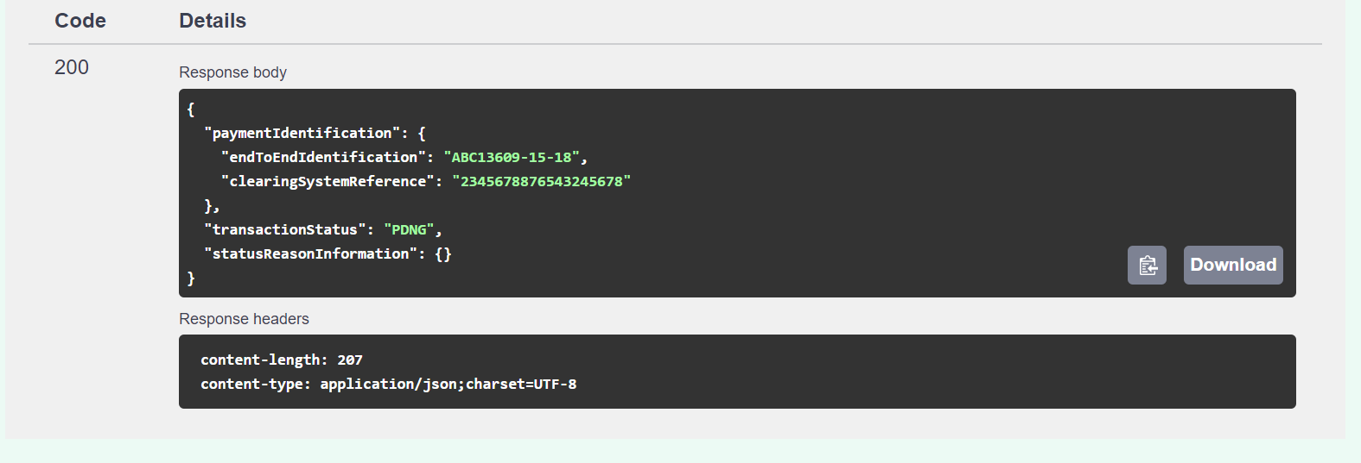
 |  | Request Body Parameters
 |  | Some definitions of fields offered below are not directly part of the Wire Status API, but have been provided for added clarification.
 |  | Message | Wire Status
 |  | POST | /wirestatus

 | POST - Request
 | Level | Field Name | Presence | Datatype | Example Value | ISO 20022 Definition | Enhanced Definition
 | 1 | debtor | Optional | [Parent] |  | Identifies the party on the debit side of the transaction to which the tax applies. | Originator of the wire
 | 2 | identification | Optional | string - Max35text | 1234567891 | Identification assigned by an institution [Originator Company ID] NOTE: Certain fields that are optional (i.e., debtor identification and debtor account identification) may be required by some financial institutions. | Identification assigned by an institution.
 | 2 | IdentificationCode | Optional | string - Max4text | CBID | Code indicating type of ID used in debtorIdentification NOTE: See Debtor Identification Codes tab for sample values. | Name of the identification scheme.
 | 2 | identificationCodeIssuer | Optional | string - Max35text | Test Bank of Virginia | Issuer of the debtor identification code. | Entity that assigns the identification.
 | 1 | paymentIdentification | Mandatory | [Parent]
 | 2 | endToEndIdentification | Optional, but at least one payment ID must be included | string - Max35text | ABC13609-15-18 | Unique identification assigned by the initiating party to unambiguously identify the transaction. This identification is passed on, unchanged, throughout the entire end-to-end chain
 | 2 | uniqueEndToEndTransactionReference | Optional, but at least one payment ID must be included | string - Max36text | E2ERef1 | Universally unique identifier to provide an end-to-end reference of a payment transaction. [Payment tracking reference]
 | 2 | accountServicerReference | Optional, but at least one payment ID must be included | string - Max35text | ZZZ00001 | Supplied by FI or 3rd Party upon receipt of wire submission (see response to Afinis Initiate Wire Transfer API)

 |  | Sample Request
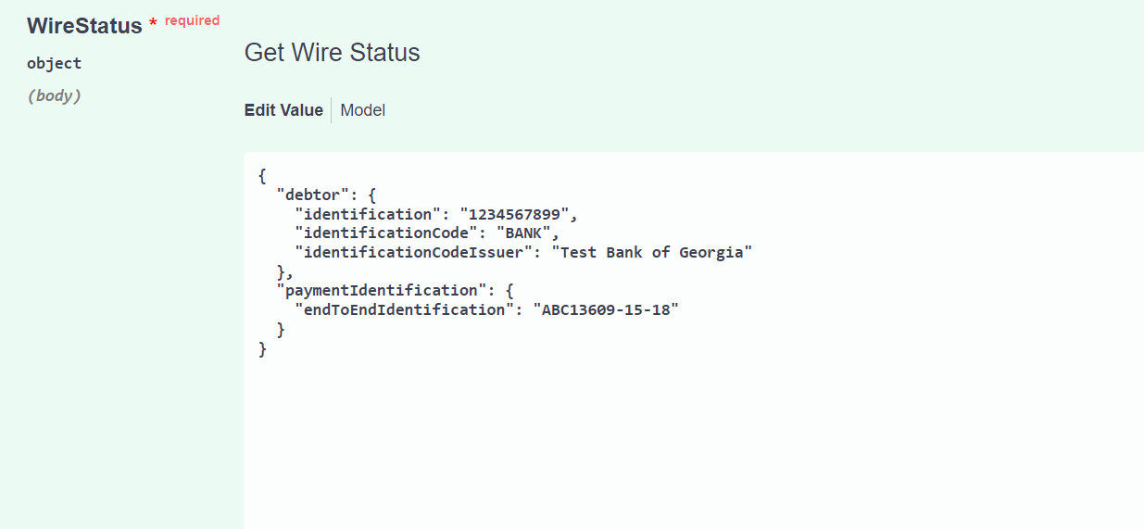

Response

 |  | Every response returned by the Wire Status API has a response code. Response codes can be used to check the status of the request, e.g., Was the request successful or did it fail? The following table shows the common reason codes used by the Wire Status API:

 |  | Code | Text | Further Code | Description
 |  | 200 | OK |  | The request was valid and the wire status is being returned
 |  | 400 | Bad request |  | The request could not be understood or required parameters were missing
 |  |  |  | 2000 | Invalid JSON Structure
 |  |  |  | 2001 | “Field name” is missing or invalid
 |  |  |  | 2002 | Invalid date
 |  |  |  | 2003 | Invalid combination of fields submitted. Check the API specification for eligible combinations
 |  |  |  | 2004 | “Field name” cannot be more than [max] characters
 |  | 401 | Unauthorized |  | Authentication failed or user doesn’t have permissions for requested operation
 |  |  |  | 1000 | API key is missing, invalid or expired
 |  |  |  | 1001 | API token is invalid, expired, or account associated with key does not have access to that API
 |  | 403 | Forbidden |  | Access denied, the operation is not allowed
 |  | 404 | Not Found |  | Resource was not found.
 |  | 405 | Method Not Allowed |  | The request method is known by the server but has been disabled and cannot be used.
 |  | 406 | Invalid Accept |  | Web server doesn't find any content that conforms to the criteria given by the user agent.
 |  | 415 | Content Type |  | The media format of the requested data is not supported by the server, so the server is rejecting the request.
 |  | 422 |  | 4001 | Unprocessable request due to "%%"
 |  | 500 |  | 3001 | Internal server error
 |  | 503 | Service Unavailable |  | Service is temporarily unavailable

 |  | For additional response codes, please see the section on return codes on the Testing the APIs page.
 |  | https://www.afinis.org/content/testing-apis

 | Sample RESPONSE
 | Level | Field Name | Presence | Datatype | Example Value | ISO 20022 Definition | Enhanced Definition
 | 1 | paymentIdentification | Mandatory | [Parent] |  | Set of elements used to reference a payment instruction.
 | 2 | endToEndIdentification | Echoed from request | string - Max35text | ABC13609-15-18 | Unique identification assigned by the initiating party to unambiguously identify the transaction. This identification is passed on, unchanged, throughout the entire end-to-end chain | Unique identification assigned by the initiating party to unambiguously identify the transaction. This identification is passed on, unchanged, throughout the entire end-to-end chain
 | 2 | uniqueEndToEndTransactionReference | Echoed from request | string - Max36text | E2ERef1 | Universally unique identifier to provide an end-to-end reference of a payment transaction. [Payment tracking reference] | Universally unique identifier to provide an end-to-end reference of a payment transaction. [Payment tracking reference]
 | 2 | accountServicerReference | Echoed from request | string - Max35text | ZZZ00001 | Unique reference, as assigned by the account servicing institution, to unambiguously identify the instruction | Supplied by FI or 3rd Party upon receipt of wire submission (see response to Afinis Initiate Wire Transfer API)
 | 2 | clearingSystemReference | Optional | string - Max35text |  | Unique reference, as assigned by a clearing system, to unambiguously identify the instruction | Fedwire ID
 | 1 | transactionStatus | Mandatory | string - Max4text | PDNG | Code indicating the status of the transaction - see Status Codes tab | Specifies the status of a transaction, in a coded form.
 | 1 | statusReasonInformation | Optional | [Parent] |  | May be used with RJCT | Provides detailed information on the status reason.
 | 2 | reason | Optional | string - Max4text | NARR | Code indicating the reason for RJCT - see Status Codes tab | Specifies the reason for the status report.
 | 2 | additionalInformation | Optional | string - Max105text | Please Call Wire Dept |  | Further details on the status reason.

 |  | Sample Response

