AV Plus Name
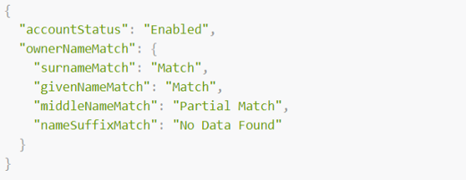
 |  | Request Body Parameters
 |  | Some definitions of fields offered below are not directly part of the Account Validation Plus Name API, but have been provided for added clarification.
 |  | Message | Account Validation Plus Name
 |  | POST | /validatewithname

 | POST - Request
 | Level | Field Name | Presence | Datatype | Example Value | ISO 20022 Definition | Enhanced Definition
 | 1 | account | Mandatory | [Parent] |  | Account to or from which a cash entry is made.
 | 2 | identification | Mandatory | String - Min 1 Max 34 | 11101012 | Account number being verified.
 | 1 | agent | Mandatory | [Parent] |  | Financial Institution servicing the account to be verified
 | 2 | clearingSystemIdentification | Mandatory | Fixed: USABA | USABA | Specification of a pre-agreed offering between clearing agents or the channel through which the payment instruction is processed.
 | 2 | memberIdentification | Mandatory | String - Max 9 | 61103852 | Identification of a member of a clearing system. | ABA RTN
 | 1 | owner | Mandatory | [Parent] |  | Party that legally owns the account.
 | 2 | surname | Mandatory | String - Min 1 Max 35 | Doe | Surname is a name added to a given name and is part of a personal name. In many cases, a surname is a family name. | Last Name
 | 2 | givenName | Mandatory | String - Min 1 Max 35 | John | Name given at birth. | First name
 | 2 | middleName | Optional | String - Min 1 Max 35 | Samuel | Second name of a person | Middle name
 | 2 | nameSuffix | Optional | String - Min 1 Max 350 | PhD | Suffix for name
 | 1 | cashAccountType | Mandatory | Fixed, one of: Current, Savings | Current |  | Type of account - checking or savings

 |  | Sample Request
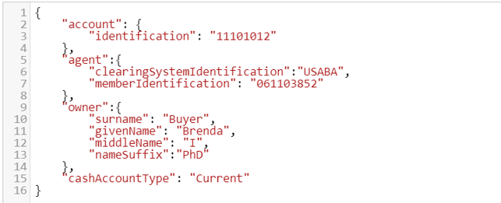

Response

 |  | Every response returned by the Account Validation Plus Name API has a response code. Response codes can be used to check the status of the request, e.g., Was the request successful or did it fail? The following table shows the common reason codes used by the Account Validation Plus Name API:

 |  | Code | Text | Further Code | Description
 |  | 200 | OK |  | The request was valid and the Transaction Detail data is being returned
 |  | 400 | Bad request |  | The request could not be understood or required parameters were missing
 |  |  |  | 2000 | Invalid JSON Structure
 |  |  |  | 2001 | “Field name” is missing or invalid
 |  |  |  | 2002 | Invalid date
 |  |  |  | 2003 | Invalid combination of fields submitted. Check the API specification for eligible combinations
 |  |  |  | 2004 | “Field name” cannot be more than [max] characters
 |  | 401 | Unauthorized |  | Authentication failed or user doesn’t have permissions for requested operation
 |  |  |  | 1000 | API key is missing, invalid or expired
 |  |  |  | 1001 | API token is invalid, expired, or account associated with key does not have access to that API
 |  | 403 | Forbidden |  | Access denied, the operation is not allowed
 |  | 404 | Not Found |  | Resource was not found.
 |  | 405 | Method Not Allowed |  | The request method is known by the server but has been disabled and cannot be used.
 |  | 406 | Invalid Accept |  | Web server doesn't find any content that conforms to the criteria given by the user agent.
 |  | 415 | Content Type |  | The media format of the requested data is not supported by the server, so the server is rejecting the request.
 |  | 422 |  | 4001 | Unprocessable request due to "%%"
 |  | 500 |  | 3001 | Internal server error
 |  | 503 | Service Unavailable |  | Service is temporarily unavailable

 |  | For additional response codes, please see the section on return codes on the Testing the APIs page.
 |  | https://www.afinis.org/content/testing-apis

 | Sample RESPONSE
 | Level | Field Name | Presence | Datatype | Example Value | ISO 20022 Definition | Enhanced Definition
 | 1 | accountStatus | Mandatory | Fixed, one of: Enabled, Disabled | Enabled |  | Status of account being validated
 | 1 | ownerNameMatch | Mandatory | [Parent] | -
 | 2 | surnameMatch | Mandatory | Fixed, one of: Match, Partial Match, No Match, No Data Found | Match
 | 2 | givenNameMatch | Mandatory | Fixed, one of: Match, Partial Match, No Match, No Data Found | Partial Match
 | 2 | middleNameMatch | Optional - mandatory if included in request | Fixed, one of: Match, Partial Match, No Match, No Data Found | No Match
 | 2 | nameSuffixMatch | Optional - mandatory if included in request | Fixed, one of: Match, Partial Match, No Match, No Data Found | No Data Found

 |  | Sample Response

